3-day adjustment
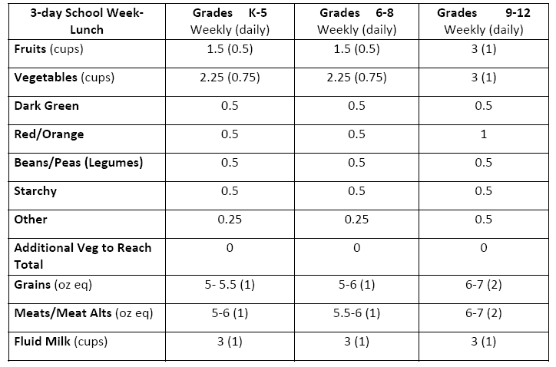
Short and Long Week Calculations (rounded to nearest 0.5 oz eq and 0.25 cup) apply to schools who regularly operate on a shorter or longer weekly cycle. Since the dietary specifications are based on a average daily amounts, these are unaffected by varying week lengths (average over length of week, whether consisting of 3 to 7 days) **Due to size of weekly vegetable subgroup requirements, the 20% adjustment is not practical. Therefore, adjustments are primarily made to the “Additional Vegetable” category only‐ which in turn allows increased or decreased offering amounts of any of the subgroups to meet this requirement. Schools that regularly serve lunch 6 or 7 days per week must increase the weekly grains quantity by approximately 20 percent (1/5) for each additional day. When schools regularly operate less than 5 days per week, they must decrease the weekly quantity by approximately 20 percent (1/5) for each day less than five. For schools with occasional decreases in the school week length due to holidays, etc., the menus do not have to be adjusted, but menu planners must plan their menus in a way that is consistent with the intent of the meal patterns. Planners should make sure they do not consistently fail to offer certain vegetable subgroups, or offer meat/meat alternates and/grains in portions that would exceed the weekly requirements.

4-day adjustment
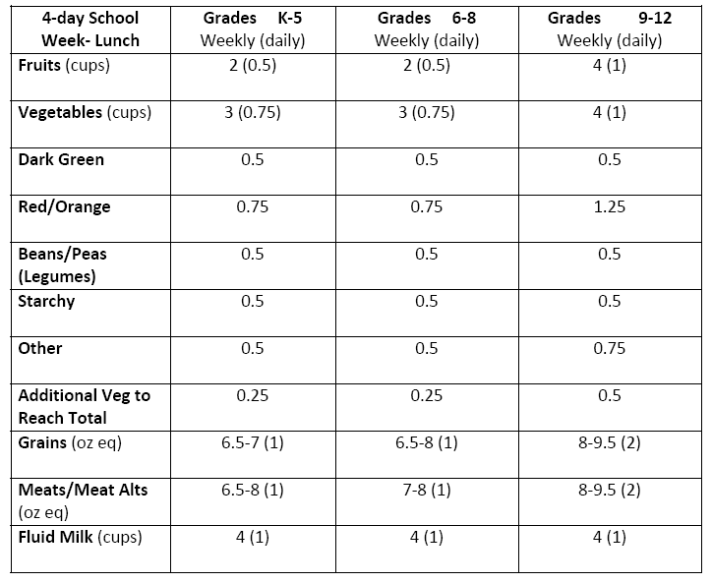
Short and Long Week Calculations (rounded to nearest 0.5 oz eq and 0.25 cup) apply to schools who regularly operate on a shorter or longer weekly cycle. Since the dietary specifications are based on a average daily amounts, these are unaffected by varying week lengths (average over length of week, whether consisting of 3 to 7 days) **Due to size of weekly vegetable subgroup requirements, the 20% adjustment is not practical. Therefore, adjustments are primarily made to the “Additional Vegetable” category only‐ which in turn allows increased or decreased offering amounts of any of the subgroups to meet this requirement. Schools that regularly serve lunch 6 or 7 days per week must increase the weekly grains quantity by approximately 20 percent (1/5) for each additional day. When schools regularly operate less than 5 days per week, they must decrease the weekly quantity by approximately 20 percent (1/5) for each day less than five. For schools with occasional decreases in the school week length due to holidays, etc., the menus do not have to be adjusted, but menu planners must plan their menus in a way that is consistent with the intent of the meal patterns. Planners should make sure they do not consistently fail to offer certain vegetable subgroups, or offer meat/meat alternates and/grains in portions that would exceed the weekly requirements.

6-day adjustment

Short and Long Week Calculations (rounded to nearest 0.5 oz eq and 0.25 cup) apply to schools who regularly operate on a shorter or longer weekly cycle. Since the dietary specifications are based on a average daily amounts, these are unaffected by varying week lengths (average over length of week, whether consisting of 3 to 7 days) **Due to size of weekly vegetable subgroup requirements, the 20% adjustment is not practical. Therefore, adjustments are primarily made to the “Additional Vegetable” category only‐ which in turn allows increased or decreased offering amounts of any of the subgroups to meet this requirement. Schools that regularly serve lunch 6 or 7 days per week must increase the weekly grains quantity by approximately 20 percent (1/5) for each additional day. When schools regularly operate less than 5 days per week, they must decrease the weekly quantity by approximately 20 percent (1/5) for each day less than five. For schools with occasional decreases in the school week length due to holidays, etc., the menus do not have to be adjusted, but menu planners must plan their menus in a way that is consistent with the intent of the meal patterns. Planners should make sure they do not consistently fail to offer certain vegetable subgroups, or offer meat/meat alternates and/grains in portions that would exceed the weekly requirements.

