COA Schematic
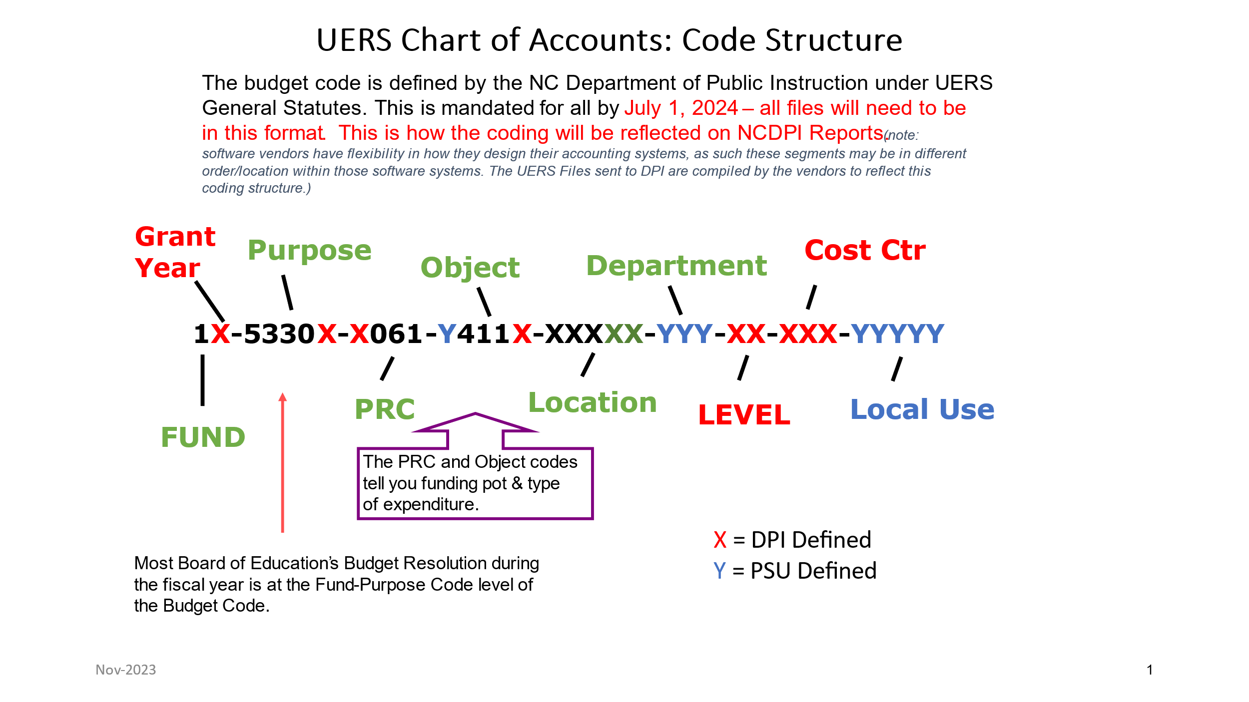

COA Table
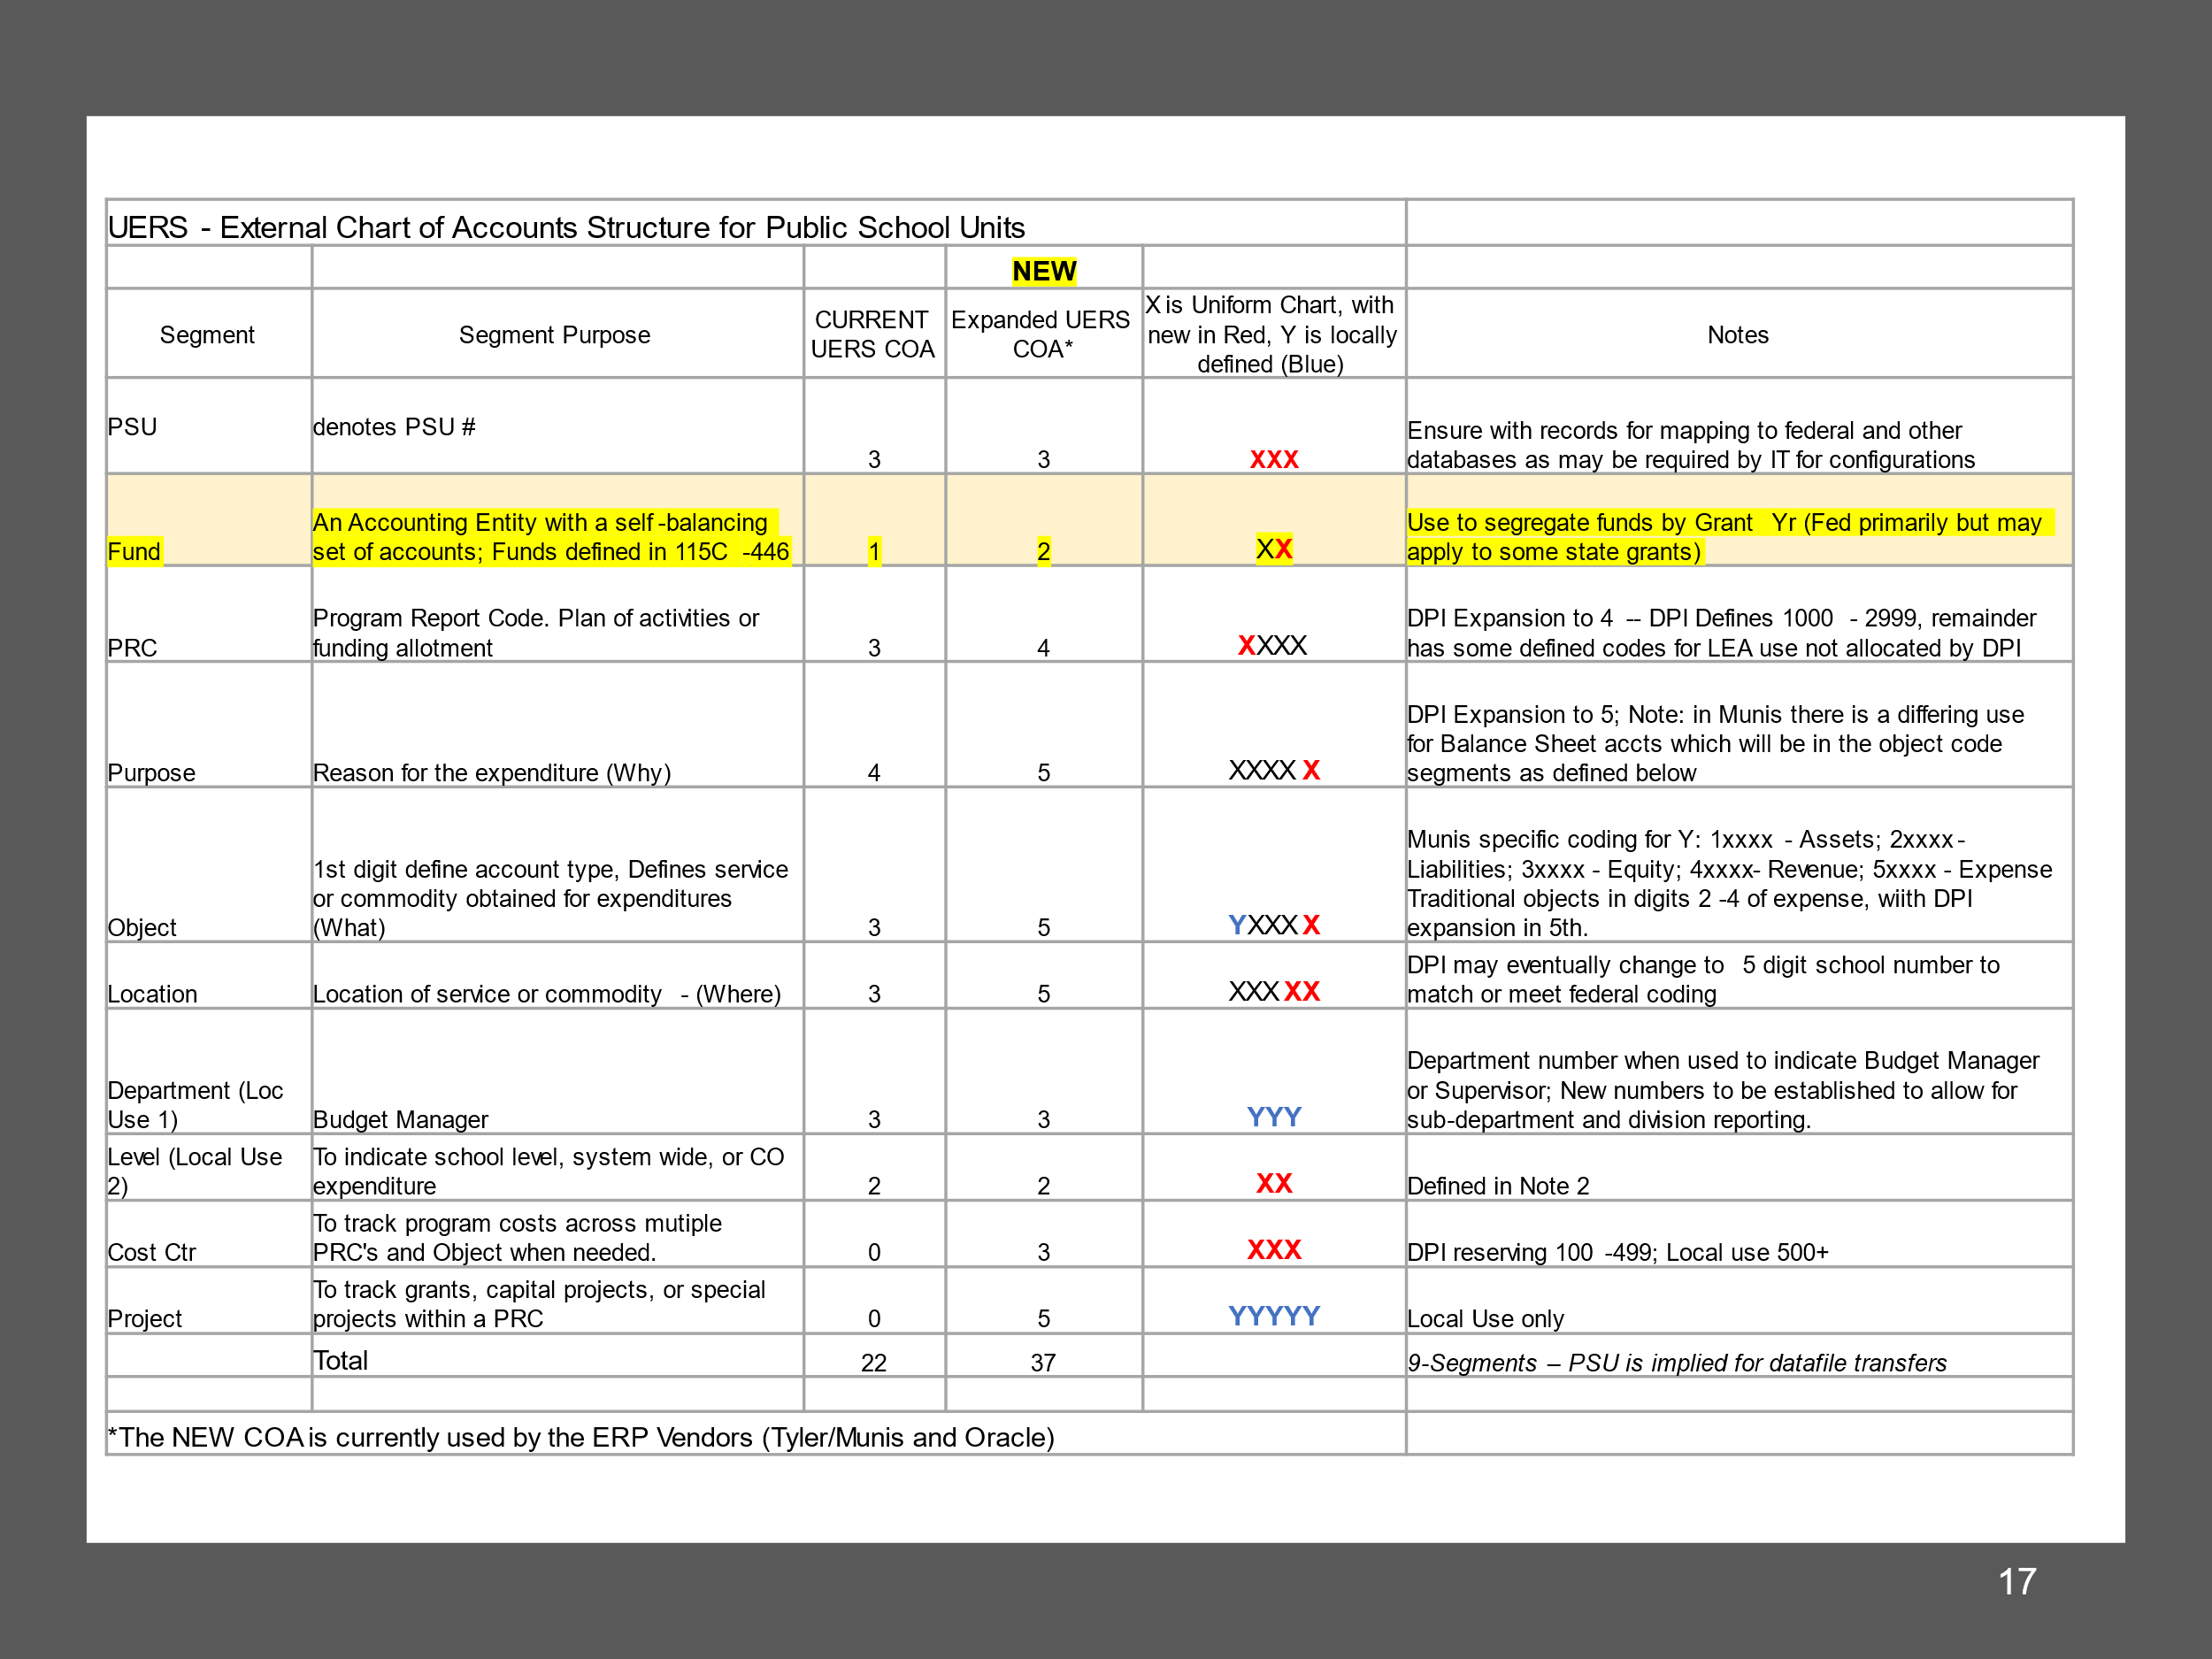
UERS Chart of Accounts Code Structure for Financial Software Vendors
Note the PSU # in first 3 segments is for transmitting files only and is NOT required within the software accounting systems.

